Refurbishment
Refurbishment Specification
Property: | Hillcroft |  |  |  |  |  |  |  | Property Front View
Address: | Hillcroft, Lightshaw Lane, Golborne, WARRINGTON, Cheshire, WA3 3UH, United Kingdom
Orbis/Keysafe: | Keysafe / Orbis Alarm / Padlock : tenanted
 |  |  | Specification Standard |  | Notes Windows, doors and timber flagged on HHSRS report, as well as kitchen and utility units

Item | Type |  | Bronze
Internal Decoration | Walls |  | Dulux almond white |  | Please Check Notes as colour might differ
 | Tiles |  | Metro Tiles |  | 8
 | Woodwork |  | Dulux Satin or similar |  | Not Required
Flooring | Linoleum |  | Medium hard wearing vinyl, latex/plywood where required |  | No carpets in bathrooms as standard
 | Carpets |  | Mid domestic type pile height no less than 7mm |  | Colour to be of a neutral tone eg straw, doe skin, fawn or beige. Doormat inset to any external accesses
 | Underlay |  | Cloudnine
External Decoration | Walls |  | Like for like unless specified
 | Woodwork |  | Like for like unless specified |  | Strip, repair and 2 coats
Replacement | Kitchen | Cooker to specify | 14mm carcus |  | All soft close, colour/design to specify, Howdens
 | Bathroom |  | To Specify on inspection

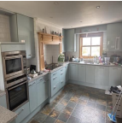
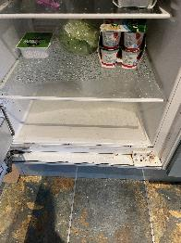
Room | Type | Required Yes or No | Further Information |  |  | Cost | Capital/Revenue
Ground Floor |  |  |  |  |  | Cost per item | Please Select |  | Photographs
Kitchen/Diner | Ceiling | No |  |  |  |  | Revenue
 | Walls | No |  |  |  |  | Revenue
 | Woodwork | No |  |  |  |  | Revenue
 | Floors | No |  |  |  |  | Revenue
 | Windows | No |  |  |  |  | Revenue
 | Curtains/Rails | No |  |  |  |  | Revenue
 | Skirting | No |  |  |  |  | Revenue
 | Door | No |  |  |  |  | Revenue
 | Fridge | No
 | Units & Appliances | Yes | HHSRS - Allow for replacement kitchen appliances to bring the kitchen to a modern standard like-for-like, cooker and dish washer currently faulty. Allow for modernised oven, cooker and dishwasher. Fridge is consistently getting condensated and mouldy. Allow for replacement refridgerator. |  |  | £3,000.00 | Revenue | Total
 | Additional | No |  |  |  |  | Revenue | £3,000.00
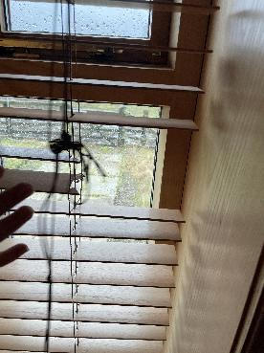

Sitting Room | Ceiling | Yes | Where damp remedials have been replastered, allow to prepare and redecorate like-for-like including upper skirting |  |  | £500.00 | Revenue
 | Walls | No |  |  |  |  | Revenue
 | Woodwork | No |  |  |  |  | Revenue
 | Floors | No |  |  |  |  | Revenue
 | Windows | No |  |  |  |  | Revenue
 | Curtains/Rails | Yes | Allow for replacement blinds to french door, ensuring opening mechanisms are functioning |  |  | £465.00 | Revenue
 | Skirting | No |  |  |  |  | Revenue
 | Additional | No |  |  |  |  | Revenue
 | Additional | No |  |  |  |  | Revenue
 | Additional | No |  |  |  |  | Revenue
 | Additional | No |  |  |  |  | Revenue
 | Additional | No |  |  |  |  | Revenue | Total
 | Additional | No |  |  |  |  | Revenue | £965.00
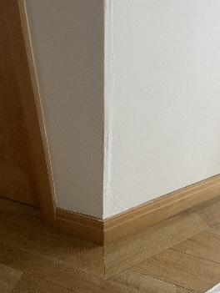
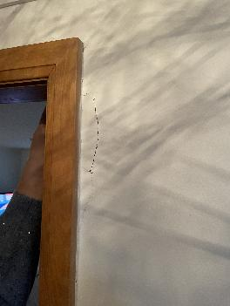
Inner Hall | Ceiling | No |  |  |  |  | Revenue
 | Walls | Yes | Allow to replaster and redecorate where previous plastering has failed |  |  | £800.00 | Revenue
 | Woodwork | No |  |  |  |  | Revenue
 | Floors | No |  |  |  |  | Revenue
 | Windows | No |  |  |  |  | Revenue
 | Curtain Rails | No |  |  |  |  | Revenue
 | Skirting | No |  |  |  |  | Revenue
 | Door | No |  |  |  |  | Revenue
 | Fireplace | No |  |  |  |  | Revenue
 | Additional | No |  |  |  |  | Revenue | Total
 | Additional | No |  |  |  |  | Revenue | £800.00
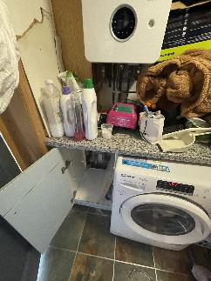
Utility 1 | Ceiling | No |  |  |  |  | Revenue
 | Walls | No |  |  |  |  | Revenue
 | Woodwork | No |  |  |  |  | Revenue
 | Floors | No |  |  |  |  | Revenue
 | Windows | No |  |  |  |  | Revenue
 | Curtains/Rails | No |  |  |  |  | Revenue
 | Skirting | No |  |  |  |  | Revenue
 | Door | No |  |  |  |  | Revenue
 | Units & Appliances | Yes | Since pipework was resealed, the piping has shifted, assess viability and allow for repairs if required. State repairs if necessary PSUM |  |  | £250.00 | Revenue
 | Additional | No |  |  |  |  | Revenue | Total
 | Additional | No |  |  |  |  | Revenue | £250.00
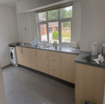
Annex Kitchen | Ceiling | No |  |  |  |  | Revenue
 | Walls | No |  |  |  |  | Revenue
 | Woodwork | No |  |  |  |  | Revenue
 | Floors | No |  |  |  |  | Revenue
 | Windows | No |  |  |  |  | Revenue
 | Curtains/Rails | No |  |  |  |  | Revenue
 | Skirting | No |  |  |  |  | Revenue
 | Door | No |  |  |  |  | Revenue
 | Appliances | Yes | Outbuilding HHSRS - Allow for installation of kitchen appliances to bring the kitchen to a modern standard List required appliances below |  |  | £2,000.00 | Revenue
 | Additional | No |  |  |  |  | Revenue
 | Additional | No |  |  |  |  | Revenue
 | Additional | No |  |  |  |  | Revenue
 | Additional | No |  |  |  |  | Revenue
 | Additional | No |  |  |  |  | Revenue
 | Additional | No |  |  |  |  | Revenue
 | Additional | No |  |  |  |  | Revenue | Total
 | Additional | No |  |  |  |  | Revenue | £2,000.00
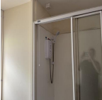
Annex Bathroom | Ceiling | No |  |  |  |  | Revenue
 | Walls | No |  |  |  |  | Revenue
 | Woodwork | No |  |  |  |  | Revenue
 | Floors | No |  |  |  |  | Revenue
 | Windows | No |  |  |  |  | Revenue
 | Door | No |  |  |  |  | Revenue
 | Shower | Yes | Outbuilding - Install extractor fan to outbuilding shower |  |  | £375.00 | Revenue
 | Additional | No |  |  |  |  | Revenue
 | Additional | No |  |  |  |  | Revenue
 | Additional | No |  |  |  |  | Revenue
 | Additional | No |  |  |  |  | Revenue
 | Additional | No |  |  |  |  | Revenue
 | Additional | No |  |  |  |  | Revenue | Total
 | Additional | No |  |  |  |  | Revenue | £375.00
Cloakroom | Ceiling | No |  |  |  |  | Revenue
 | Walls | No |  |  |  |  | Revenue
 | Woodwork | No |  |  |  |  | Revenue
 | Floors | No |  |  |  |  | Revenue
 | Windows | No |  |  |  |  | Revenue
 | Curtain/Rails | No |  |  |  |  | Revenue
 | Skirting | No |  |  |  |  | Revenue
 | Door | No |  |  |  |  | Revenue
 | Additional | No |  |  |  |  | Revenue
 | Additional | No |  |  |  |  | Revenue
 | Additional | No |  |  |  |  | Revenue | Total
 | Additional | No |  |  |  |  | Revenue | £-
First Floor
Stairs and Landing | Ceiling | No |  |  |  |  | Revenue
 | Walls | No |  |  |  |  | Revenue
 | Woodwork | No |  |  |  |  | Revenue
 | Floors | No |  |  |  |  | Revenue
 | Windows | No |  |  |  |  | Revenue
 | Curtains/Rails | No |  |  |  |  | Revenue
 | Skirting | No |  |  |  |  | Revenue
 | Door | No |  |  |  |  | Revenue
 | Additional | No |  |  |  |  | Revenue | Total
 | Additional | No |  |  |  |  | Revenue | £-
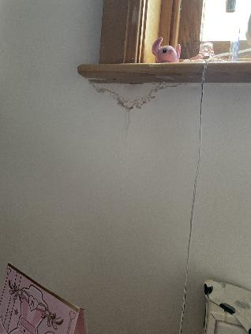
Bedroom 1 | Ceiling | No |  |  |  |  | Revenue
 | Walls | Yes | Allow to prepare and redecorate stained area of wall like-for-like |  |  | £300.00 | Revenue
 | Woodwork | No |  |  |  |  | Revenue
 | Floors | No |  |  |  |  | Revenue
 | Windows | No |  |  |  |  | Revenue
 | Curtains/Rails | No |  |  |  |  | Revenue
 | Skirting | No |  |  |  |  | Revenue
 | Door | No |  |  |  |  | Revenue
 | Toilet/Basin/Shower/Bath | No |  |  |  |  | Revenue | Total
 | Additional | No |  |  |  |  | Revenue | £300.00
Bedroom 2 | Ceiling | No |  |  |  |  | Revenue
 | Walls | No |  |  |  |  | Revenue
 | Woodwork | No |  |  |  |  | Revenue
 | Floors | No |  |  |  |  | Revenue
 | Windows | No |  |  |  |  | Revenue
 | Curtains/Rails | No |  |  |  |  | Revenue
 | Skirting | No |  |  |  |  | Revenue
 | Door | No |  |  |  |  | Revenue
 | Toilet/Basin/Shower/Bath | No |  |  |  |  | Revenue | Total
 | Additional | No |  |  |  |  | Revenue | £-
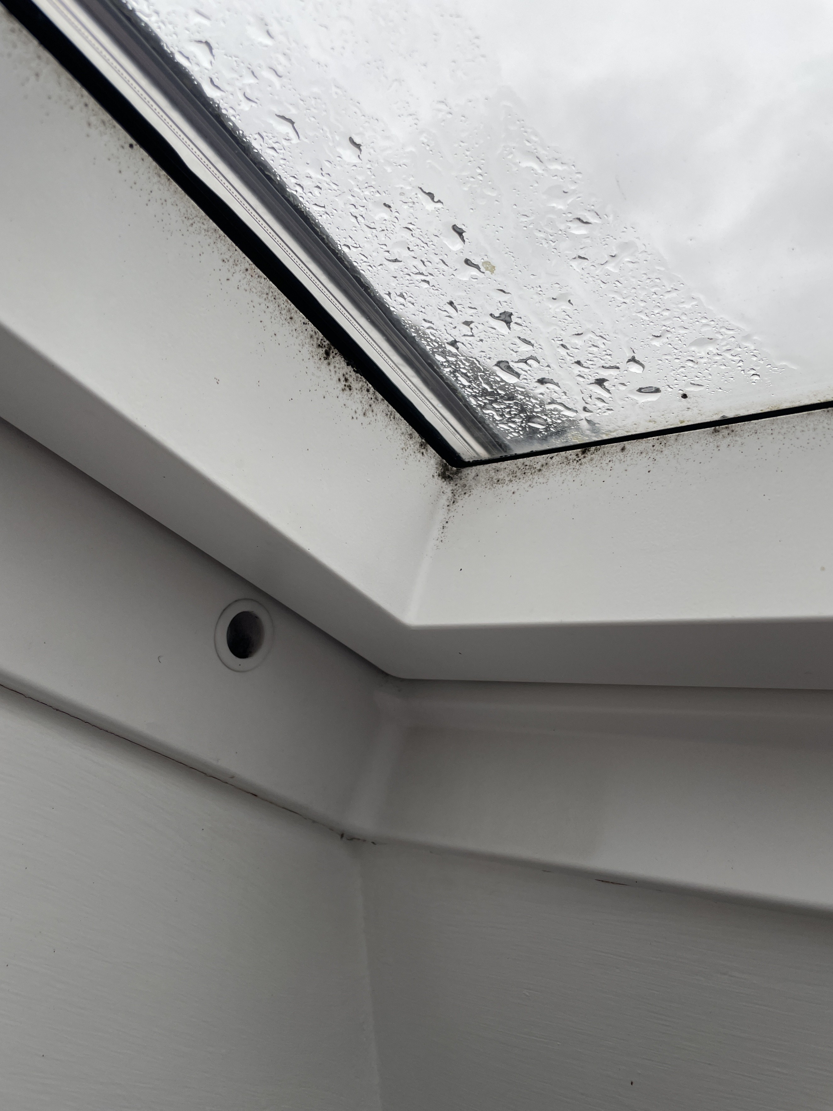
Bathroom 1 | Ceiling | No |  |  |  |  | Revenue
 | Walls | No |  |  |  |  | Revenue
 | Woodwork | No |  |  |  |  | Revenue
 | Floors | No |  |  |  |  | Revenue
 | Windows | Yes | Allow to replace 2 x velux windows with new uPvc units, allow for making good the window reveals upon installation |  |  | £2,800.00 | Revenue
 | Curtains/Rails | No |  |  |  |  | Revenue
 | Skirting | No |  |  |  |  | Revenue
 | Door | No |  |  |  |  | Revenue
 | Toilet/Basin/Shower/Bath | No |  |  |  |  | Revenue | Total
 | Additional | No |  |  |  |  | Revenue | £2,800.00
Bedroom 1 | Ceiling | No |  |  |  |  | Revenue
 | Walls | No |  |  |  |  | Revenue
 | Woodwork | No |  |  |  |  | Revenue
 | Floors | No |  |  |  |  | Revenue
 | Windows | No |  |  |  |  | Revenue
 | Curtains/Rails | No |  |  |  |  | Revenue
 | Skirting | No |  |  |  |  | Revenue
 | Door | No |  |  |  |  | Revenue
 | Additional | No |  |  |  |  | Revenue | Total
 | Additional | No |  |  |  |  | Revenue | £-
En suite 1 | Ceiling | No |  |  |  |  | Revenue
 | Walls | No |  |  |  |  | Revenue
 | Woodwork | No |  |  |  |  | Revenue
 | Floors | No |  |  |  |  | Revenue
 | Windows | No |  |  |  |  | Revenue
 | Curtain/Rails | No |  |  |  |  | Revenue
 | Skirting | No |  |  |  |  | Revenue
 | Door | No |  |  |  |  | Revenue
 | Toilet/Basin/Shower/Bath | Yes |  |  |  |  | Revenue | Total
 | Additional | No |  |  |  |  | Revenue | £-
Bedroom 2 | Ceiling | No |  |  |  |  | Revenue
 | Walls | No |  |  |  |  | Revenue
 | Woodwork | No |  |  |  |  | Revenue
 | Floors | No |  |  |  |  | Revenue
 | Windows | No |  |  |  |  | Revenue
 | Curtain/Rails | No |  |  |  |  | Revenue
 | Skirting | No |  |  |  |  | Revenue
 | Door | No |  |  |  |  | Revenue
 | Toilet/Basin/Shower/Bath | No |  |  |  |  | Revenue
 | Additional | No |  |  |  |  | Revenue | Total
 | Additional | No |  |  |  |  | Revenue | £-
Bedroom 3 | Ceiling | No |  |  |  |  | Revenue
 | Walls | No |  |  |  |  | Revenue
 | Woodwork | No |  |  |  |  | Revenue
 | Floors | No |  |  |  |  | Revenue
 | Windows | No |  |  |  |  | Revenue
 | Curtains/Rails | No |  |  |  |  | Revenue
 | Skirting | No |  |  |  |  | Revenue
 | Door | No |  |  |  |  | Revenue
 | Additional | No |  |  |  |  | Revenue | Total
 | Additional | No |  |  |  |  | Revenue | £-
Bedroom 4 | Ceiling | No |  |  |  |  | Revenue
 | Walls | No |  |  |  |  | Revenue
 | Woodwork | No |  |  |  |  | Revenue
 | Floors | No |  |  |  |  | Revenue
 | Windows | No |  |  |  |  | Revenue
 | Curtain/Rails | No |  |  |  |  | Revenue
 | Skirting | No |  |  |  |  | Revenue
 | Door | No |  |  |  |  | Revenue
 | Additional | No |  |  |  |  | Revenue | Total
 | Additional | No |  |  |  |  | Revenue | £-
Bedroom 5 | Ceiling | No |  |  |  |  | Revenue
 | Walls | No |  |  |  |  | Revenue
 | Woodwork | No |  |  |  |  | Revenue
 | Floors | No |  |  |  |  | Revenue
 | Windows | No |  |  |  |  | Revenue
 | Curtains/Rails | No |  |  |  |  | Revenue
 | Skirting | No
 | Door | No |  |  |  |  | Revenue
 | Additional | No |  |  |  |  | Revenue | Total
 | Additonal | No |  |  |  |  | Revenue | £-
En suite 2 | Ceiling | No |  |  |  |  | Revenue
 | Walls | No |  |  |  |  | Revenue
 | Woodwork | No |  |  |  |  | Revenue
 | Floors | No |  |  |  |  | Revenue
 | Windows | No |  |  |  |  | Revenue
 | Curtains/Rails | No |  |  |  |  | Revenue
 | Skirting | No |  |  |  |  | Revenue
 | Door | No |  |  |  |  | Revenue
 | Toilet/Basin/Shower/Bath | No |  |  |  |  | Revenue | Total
 | Additional | No |  |  |  |  | Revenue | £-
Bedroom 6 | Ceiling | No |  |  |  |  | Revenue
 | Walls | No |  |  |  |  | Revenue
 | Woodwork | No |  |  |  |  | Revenue
 | Floors | No |  |  |  |  | Revenue
 | Windows | No |  |  |  |  | Revenue
 | Curtains/Rails | No |  |  |  |  | Revenue
 | Skirting | No |  |  |  |  | Revenue
 | Door | No |  |  |  |  | Revenue
 | Additional | No |  |  |  |  | Revenue | Total
 | Additional | No |  |  |  |  | Revenue | £-
Bedroom 7 | Ceiling | No |  |  |  |  | Revenue
 | Walls | No |  |  |  |  | Revenue
 | Woodwork | No |  |  |  |  | Revenue
 | Floors | No |  |  |  |  | Revenue
 | Windows | No |  |  |  |  | Revenue
 | Curtain/Rails | No |  |  |  |  | Revenue
 | Skirting | No |  |  |  |  | Revenue
 | Door | No |  |  |  |  | Revenue
 | Additional | No |  |  |  |  | Revenue | Total
 | Additional | No |  |  |  |  | Revenue | £-
Bedroom 8 | Ceiling | No |  |  |  |  | Revenue
 | Walls | No |  |  |  |  | Revenue
 | Woodwork | No |  |  |  |  | Revenue
 | Floors | No |  |  |  |  | Revenue
 | Windows | No |  |  |  |  | Revenue
 | Curtain/Rails | No |  |  |  |  | Revenue
 | Skirting | No |  |  |  |  | Revenue
 | Door | No |  |  |  |  | Revenue
 | Additional | No |  |  |  |  | Revenue | Total
 | Additional | No |  |  |  |  | Revenue | £-
 |  |  |  |  | Total Internal Works | £14,935.00

Additional Internal (General Items)

Room | Item | Requirement | Notes |  |  | Cost | Capital/Revenue
General Items | Cleaning | Yes | Remove from site all builders waste, rubble and general waste, carry out builders clean prior to property handover. |  |  | £1,200.00 | Revenue
 | Loft Hatches | Yes | Secure all loft hatches throughout the property. Add combination lock to restrict access for loft (1969 code). |  |  | £200.00 | Revenue
 | Windows | Yes | Install window restrictors throughout the first floor of the property. |  |  | £300.00 | Revenue
 | Windows | No |  |  |  |  | Revenue
 | Lighting | No |  |  |  |  | Revenue
 | Curtains | No |  |  |  |  | Revenue
 | Doors | No |  |  |  |  | Revenue
 | Doors | No |  |  |  |  | Revenue
 | Flooring | No |  |  |  |  | Revenue
 | Radiators | Yes | Carry out checks on heating system and ensure all radiators have been balanced and tested for leaks. |  |  | £600.00 | Revenue
 | Sockets | Yes | Replace all non-compliant plug sockets with compliant double socket units and make good afterwards. |  |  | £1,500.00 | Revenue
 | Asbestos Survey | Yes | Allow for asbestos R&D survey ahead of works. |  |  | £450.00 | Revenue | Total
 | Lead Survey | Yes | Allow for lead survey ahead of works. |  |  | £195.00 | Revenue | £4,445.00
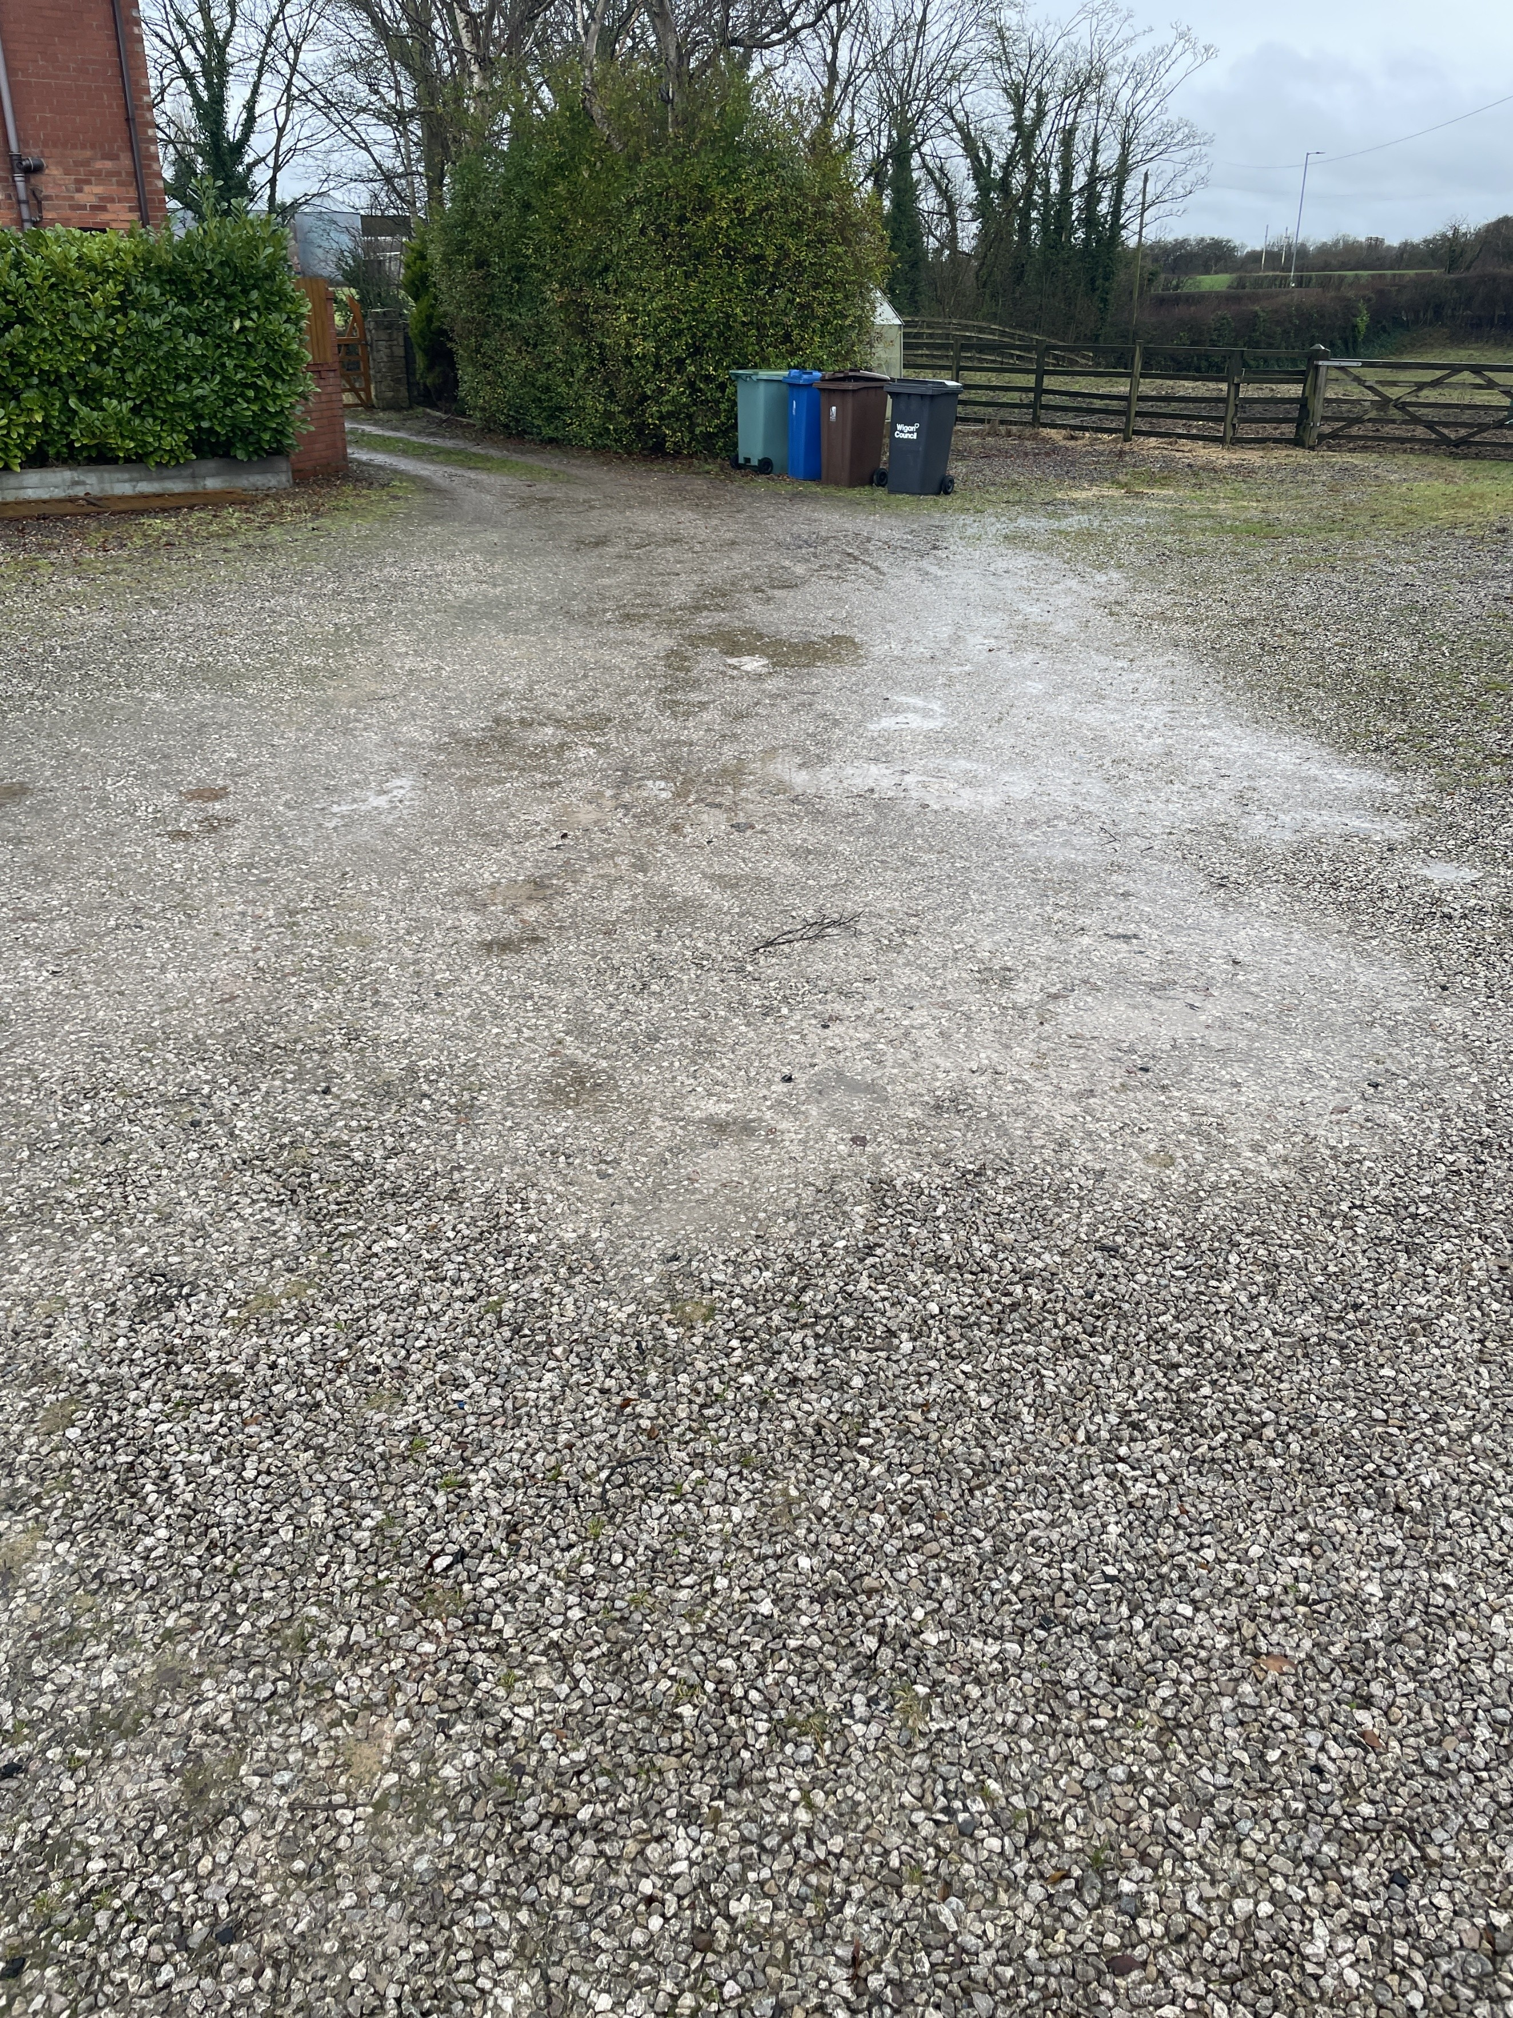

External Repairs
General Fabric | Fencing | Yes | Allow to correct approx. 40 ln. m. collapsed and broken fencing, replace broken fence posts where required - PSUM |  |  | £1,500.00 | Revenue | 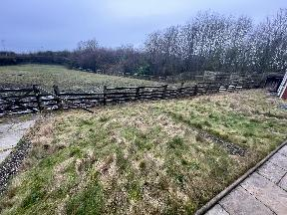 | 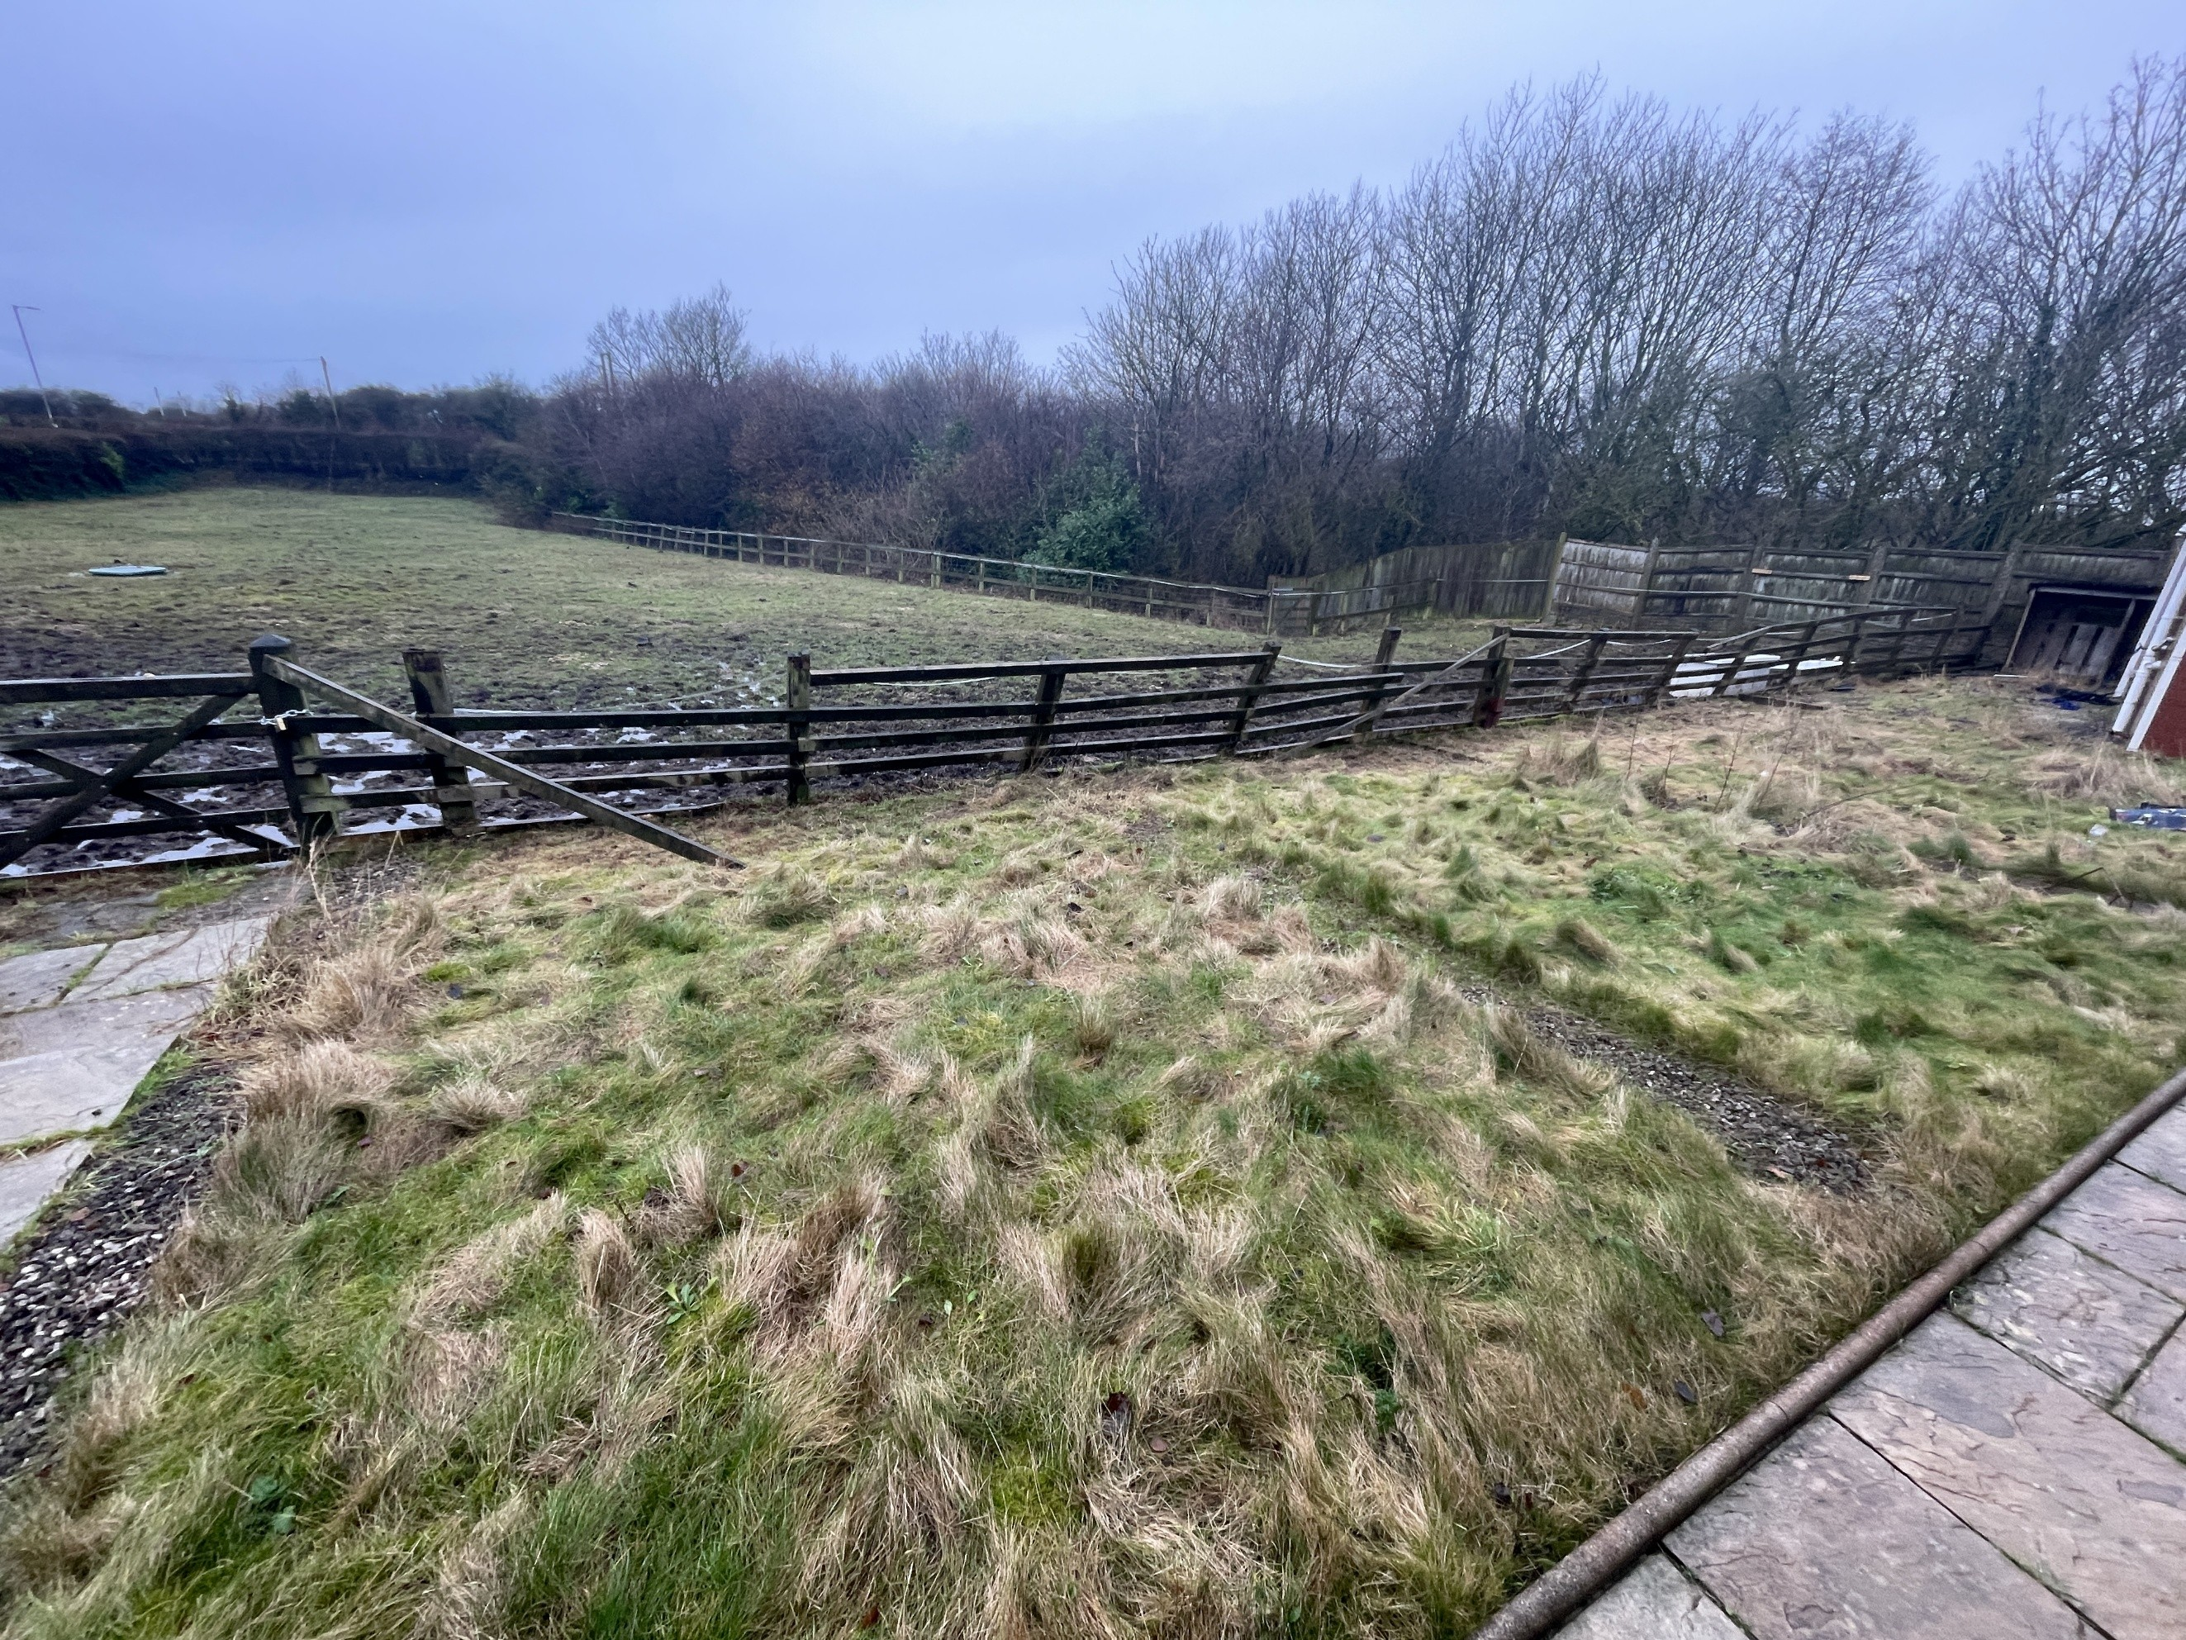
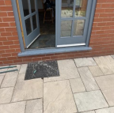
 | Driveway | Yes | Allow for approx 3t. Gravel top up to the driveway, filling potholes |  |  | £791.00 | Revenue
 | Patio | Yes | Allow to lift, re-bed uneven patio and replace damaged flags. Approx 30m2. |  |  | £1,650.00 | Revenue
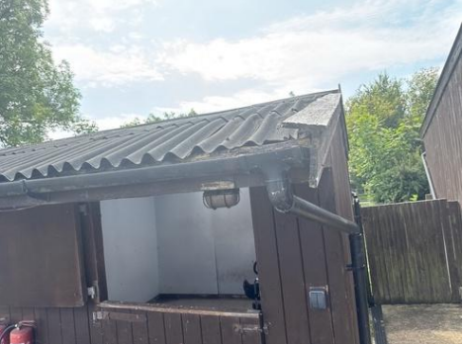

 | Step | Yes | Allow to install step to north side french door |  |  | £500.00 | Revenue
 | Airbricks | Yes | Lower the external ground/paving levels to achieve proper clearance below the airbricks and regrade the path so water falls away from the building. Install airbrick extensions if needed and make good all disturbed surfaces. |  |  | £2,100.00 | Revenue
 | Breeze block outbuilding | Yes | Allow to install truss restraint clips to the bearings to prevent issues between trusses and wall plates. |  |  | £620.00 | Revenue
 | Stables | Yes | HHSRS Cat 2 -Strip back loose and failing timber roof verge and structural members and replace rotten roof verge boards, fascia and supporting timber. Reinstate structural integrity of affected wall framing and junctions (internal and external) Replace roof coverings like-for-like PSUM - Further investigation to confirm extent of works. |  |  | £3,500.00 | Revenue | 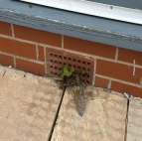
 | POOL ROOM - TO BE RETURNED TO | No |  |  |  |  | Revenue
 | External Decoration
 | Additional | No |  |  |  |  | Revenue
 | Additional | No |  |  |  |  | Revenue
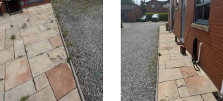
 | Additional | No |  |  |  |  | Revenue
 | Additional | No |  |  |  |  | Revenue
 | Additional | No |  |  |  |  | Revenue
 | Additional | No |  |  |  |  | Revenue
 | Additional | No |  |  |  |  | Revenue | Total
 | Additonal | No |  |  |  |  | Revenue | £10,661.00
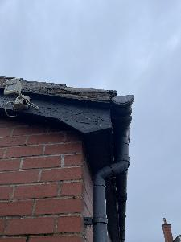
Roof Repairs | Outbuilding - Roof | Yes | HHSRS Cat 2 - Remove loose and damaged cement fillet at roof-to-wall junction on both annex outbuilding and breeze block storage outbuilding. Supply & install new cement fillet and/or flashing to seal watertight. |  |  | £1,400.00 | Revenue
 | Roof tiles | No |  |  |  |  | Revenue
 | Soffits | Yes | HHSRS - Allow to replace mouldy soffit boards to main house. Approx 60ln.mr eplacements like-for-like uPvc |  |  | £5,320.00 | Revenue
 | Rain Water Goods | Yes | Allow to clear out and rod through all existing rainwater drains, good and gulleys around the property to ensure they are free-flowing upon completion include for cleaning out the hoppers. Install new end caps where missing or damaged. Replace any broken grilles to gulleys. Fasten any loose fixtures back to the brickwork and secure any loose goods. Allow to clean any staining or rust from existing rain water goods. Include a flow test to ensure underground drainage systems clear and operational. |  |  | £1,750.00 | Revenue
 | Scaffold access | Yes | Provisional sum |  |  | £5,000.00 | Revenue | Total
 | Mobile access | No |  |  |  |  | Revenue | £13,470.00
EPC Improvement Works | Windows/ Doors | Yes | Remove existing windows and doors and replace with new UPVC units with multi-chamber profiles for thermal efficiency to meet EPC requirements. The window and frame unit is to achieve a minimum U-value of 1.4 W/m²K U-value in accordance with Part L Building Regulations. Approx. 1 single, 3 french doors (including first floor, allow to replace FF french door with new window unit. Approximately 7 x double, 1 x single, 3 x bay, 1 x oriel window. Make good the window reveals and clear from any previous mould following the removal of the existing units |  |  | £17,990.00 | Revenue
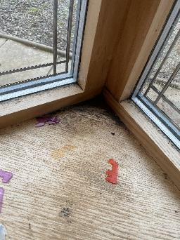
 | Draught Exclusion | No | Provide and install draught-proofing measures to all designated openings to reduce air infiltration and improve thermal performance. This is to be achieved using draught excluders and resealing windows and doors (externally and internally) with low modulus silicone sealant |  |  | £1,500.00 | Revenue
 | Loft Insulation | Yes | Install thermal insulation to loft area to improve energy efficiency to meet 0.16 w/m²K U-value as per the Building Regulations. Lay insulation in two layers – first between joists, second cross-laid over joists to a minimum 270mm overall depth. Ensure no gaps and maintain ventilation at eaves. |  |  | £1,800.00 | Revenue
 | Energy efficient lighting | No | Replace existing lighting systems with energy-efficient LED fixtures with a minimum efficacy of ≥ 100 lumens per watt |  |  | £651.00 | Revenue | Total
 | External/ Internal/ Cavity Wall Insulation | No | Enhance thermal performance of external and/or internal walls to meet EPC standards and reduce heat loss. For cavity walls: Fully fill cavities with approved insulation material. For solid walls: Apply internal or external insulation systems with vapor control layers where necessary as proposed within this specification Ensure installation meets BS EN ISO 6946 (Building Components and Building Elements – Thermal Resistance and Thermal Transmittance) and EPC guidelines. |  |  | £9,875.00 | Revenue | £31,816.00
 |  | No |  |  | Total External Works | £55,947.00
 |  | Contractor |  |  | Total Refurbishment Works | £70,882.00

LEAD IN TIME (WEEKS) 4 |  |  | 6 | DURATION OF WORKS (WEEKS)

